1. Title Page
[Instacart Grocery Basket Analysis]

Project Name: Instacart Grocery Basket Analysis
Date: 03/08/2024
Analyst Name: Sam Abgaryan

Contents: | Citations:
Population Flow | 1. The Instacart Online Grocery Shopping Dataset 2017, Accessed from www.instacart.com/datasets/grocery-shopping-2017 via Kaggle on 18-02-2024.
Consistency checks | 2. Data on customers and the "prices" column in the 'products' dataset were fabricated for the purpose of this analysis.
Wrangling steps
Column derivations
Visualizations
Recommendations

2. Population Flow
Population flow

Orders_products_combined
Orders_products_merged
final

Total: 32404859
Total: 32434489
Total: 32404859

Exclusion flag
Condition: max_order < 5
Obervations to be removed: 1440295
Final total count of order_products_all: 30964564

3. Consistency checks
Consistency checks

Dataset | Missing values | Missing values treatment | Duplicates
orders | 206209 missing values for days_since_prior_order collumn | A decision was made to leave the values untocuhed, since it represented the first order placed by costomers. | No duplicates
products | no missing values | No missing values | No duplicates
orders_products_prior | No missing values | No missing values | No duplicates
customers | 11259 missing values in 'first_name' collumn | A decision was made to rename the missing first names to Noname, to not delete the data assosiated with the customer, and have a representation that the value was missing. | No duplicates

4. Wrangling steps
Wrangling steps

Dataset | Columns dropped | Columns renamed | Columns' type changed | Comment/Reason
orders | eval_set |  |  | Not needed for analysis
orders |  |  | orders_id | Changed data type to string ("str")
orders |  |  | user_id | Changed data type to string ("str")
orders_products_combined | _merge |  |  | Not needed for analysis
customers |  | Surnam |  | Renamed to last_name
customers |  | fam_status |  | Renamed to marital_status
customers |  | n_dependants |  | Renamed to dependants
customers |  | STATE |  | Renamed to state
customers |  | First Name |  | Renamed to first_name
customers |  | Gender |  | Renamed to gender
customers |  | Age |  | Renamed to age
customers |  | Gender |  | Renamed to gender
ords_prods_merge | aisle_id |  |  | Not needed for the analysis

5. Column derivations
Column derivations and aggregations

Dataset | New column | Column/s it was derived from | Conditions | Output
Orders_products_merged | price_range_loc | prices | ords_prods_merge.loc[ords_prods_merge["prices"] > 15,"price_range_loc"] = "High-range product" ords_prods_merge.loc[(ords_prods_merge["prices"] <= 15) & (df["prices"] > 5), "price_range_loc"] = "Mid-range product" ords_prods_merge.loc[ords_prods_merge["prices"] <= 5, "price_range_loc"] = 'Low-range product' | price_range_loc nan 21208222 Low-range product 10126321 Mid-range product 652638 High-range product 417678 Name: count, dtype: int64
Orders_products_merged | busiest_day | orders_dow | for value in ords_prods_merge["orders_day_of_week"]: if value == 0: result.append("Busiest day") elif value == 4: result.append("Least busy") else: result.append("Regularly busy") | busiest_day Regularly busy 22416875 Busiest day 6204182 Least busy 3783802 Name: count, dtype: int64
Orders_products_merged | busiest_days | orders_day_of_week | for value in ords_prods_merge["orders_day_of_week"]: if value == 0 or value == 1: result_2.append("Busiest days") elif value == 3 or value == 4: result_2.append("Slowest_days") else: result_2.append("Regularly busy") | busiest_days Regularly busy 12916111 Busiest days 11864412 Slowest_days 7624336 Name: count, dtype: int64
Orders_products_merged | max_order | user_id and number_of_orders | ords_prods_merge["max_order"] = ords_prods_merge.groupby(["user_id"])["number_of_orders"].transform(np.max) | max order per customer
Orders_products_merged | loyalty_flag | max_order and user_id | ords_prods_merge.loc[ords_prods_merge["max_order"] > 40, "loyalty_flag"] = "Loyal customer" ords_prods_merge.loc[(ords_prods_merge["max_order"] <= 40) & (ords_prods_merge["max_order"] > 10), "loyalty_flag"] = "Regular customer" ords_prods_merge.loc[ords_prods_merge["max_order"] <= 10, "loyalty_flag"] = "New customer" | loyalty_flag Regular customer 15876776 Loyal customer 10284093 New customer 6243990 Name: count, dtype: int64
Orders_products_merged | spending_flag | average_price | ords_prods_merge.loc[ords_prods_merge["average_price"] < 10, "spending_flag"] = "low_spender" ords_prods_merge.loc[ords_prods_merge["average_price"] >= 10, "spending_flag"] = "high_spender" | categorized the customers into two groups by spending
Orders_products_merged | median_days_since_pror_order | user_id and days_since_prior_order | ords_prods_merge["median_days_since_prior_order"] = ords_prods_merge.groupby(["user_id"])["days_since_prior_order"].transform(np.median) | median day since last order
Orders_products_merged | frequency_flag | median_days_since_pror_order | ords_prods_merge.loc[ords_prods_merge["median_days_since_prior_order"] > 20, "frequency_flag"] = "Non-frequent customer" ords_prods_merge.loc[(ords_prods_merge["median_days_since_prior_order"] <= 20) & (ords_prods_merge["median_days_since_prior_order'] > 10), "frequency_flag"] = "Regular customer" ords_prods_merge.loc[ords_prods_merge["median_days_since_prior_order"] <= 10, "frequency_flag"] = "Frequent customer" | frequency_flag Frequent customer 21559853 Regular customer 7208564 Non-frequent customer 3636437 nan 5 Name: count, dtype: int64
Orders_products_merged | region | state | dffd["region"]="South" dffd.loc[dffd["state"].isin(["Maine","New Hampshire","Vermont","Massachusetts","Rhode Island","Connecticut","New York","Pennsylvania","New Jersey"]),"region"]="Northeast" dffd.loc[dffd["state"].isin(["Wisconsin","Michigan","Illinois","Indiana","Ohio","North Dakota","South Dakota","Nebraska","Kansas","Minnesota","Iowa","Missouri"]),"region"]="Midwest" dffd.loc[dffd["state"].isin(["Idaho","Montana","Wyoming","Nevada","Utah","Colorado","Arizona","New Mexico","Alaska","Washington","Oregon","California","Hawaii"]),"region"]="West" | region South 10791885 West 8292913 Midwest 7597325 Northeast 5722736 Name: count, dtype: int64
Orders_products_merged | exclusion_flag | max_order | dffd["exclusion_flag"]=dffd["max_order"]<5 | exclusion_flag False 30964564 True 1440295 Name: count, dtype: int64
Orders_products_merged | income_group | income | # creating income groups income_group=[] for x in df_final["income"]: if x<30000: income_group.append("low income") elif x>=30000 and x<100000: income_group.append("medium income") else: income_group.append("high income") | income_group medium income 16563292 high income 14207402 low income 193870 Name: count, dtype: int64
Orders_products_merged | age_group | age | age_groups=[] for x in df_final["age"]: if x<20: age_groups.append("Young") elif x>=20 and x<65: age_groups.append("Working-age adult") else: age_groups.append("Elderly") df_final["age_group"]=age_groups | age_group Working-age adult 21794486 Elderly 8195544 Young 974534 Name: count, dtype: int64
Orders_products_merged | dependant_flag | dependent | df_final["dependent"]=df_final.groupby(["user_id"])["number_of_dependants"].transform("mean") #creating the flag using loc df_final.loc[df_final["dependent"]>0,"dependent_flag"]="with dependents" df_final.loc[df_final["dependent"]<=0,"dependent_flag"]="without dependents" | dependent_flag with dependents 23224883 without dependents 7739681
Orders_products_merged | customer_profile | age_group, income_group, dependent_flag, martial_status | df_final["customer_profile"]=df_final["marital_status"]+" "+df_final["age_group"]+" "+df_final["income_group"]+" "+df_final["dependent_flag"] | Name: customer_profile, Length: 30964564, dtype: object
Orders_products_merged | department | department_id | #creating a dict for departments department={1:"frozen",2:"other",3:"bakery",4:"produce",5:"alcohol",6:"international",7:"beverages",8:"pets",9:"dry goods pasta",10:"bulk",11: "personal care",12: "meat seafood",13: "pantry",14: "breakfast",15: "canned goods",16:"dairy eggs",17:"household",18:"babies",19:"snacks",20:"deli"} #creating a department column in the dataframe with mapping df_final["department"]=df_final["department_id"].map(department) | department value counts

6&7 Visuals and Recommendations
 | Title page

Visualisations

1. The sales team needs to know what the busiest days of the week and hours of the day are (i.e., the days and times with the most orders) in order to schedule ads at times when there are fewer orders.

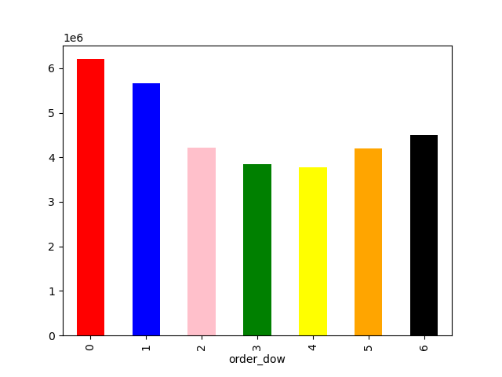
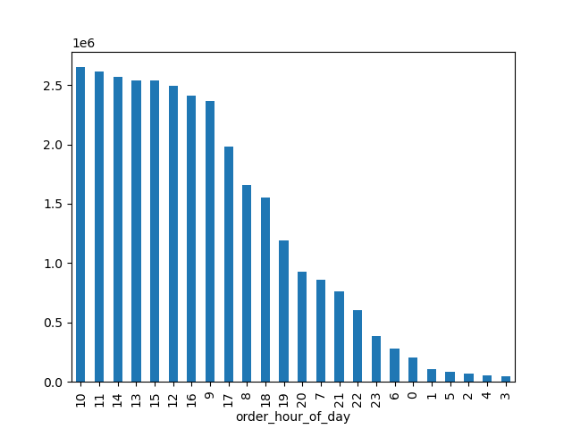

Recommendation:
More ads should be scheduled for around 8 am and 5 pm and allocate the least rescources for nightime ads, since there are almost no oders placed during the night.
0 representing Saturday on the chart above shows that Saturday and Sunday are the busiest days of the week. More ads should be scheduled to run from Monday to Friday in order to maximize profits.

2. They also want to know whether there are particular times of the day when people spend the most money, as this might inform the type of products they advertise at these times.

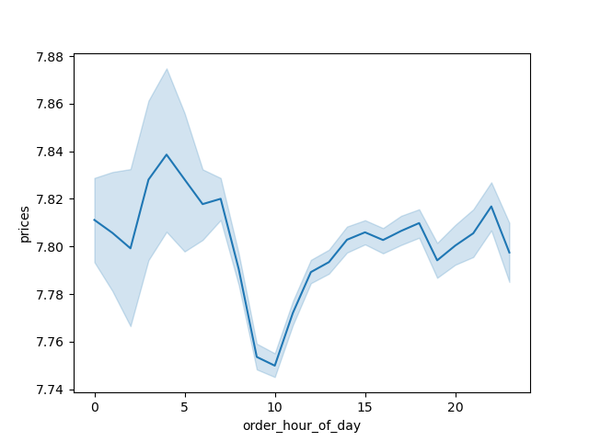
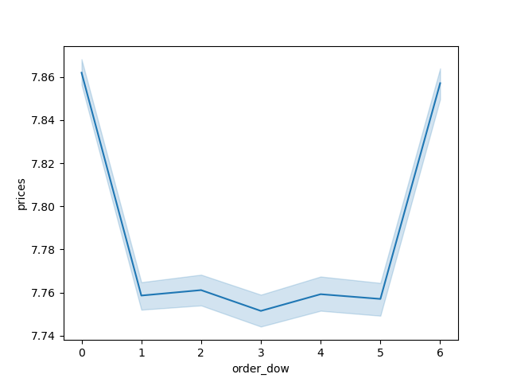

Recommendation: Prices go up from Friday to Saturday and having the peaking from around 3am to 5am. Those are the hours when expensive items shold be advertised.

3. Instacart has a lot of products with different price tags. Marketing and sales want to use simpler price range groupings to help direct their efforts.

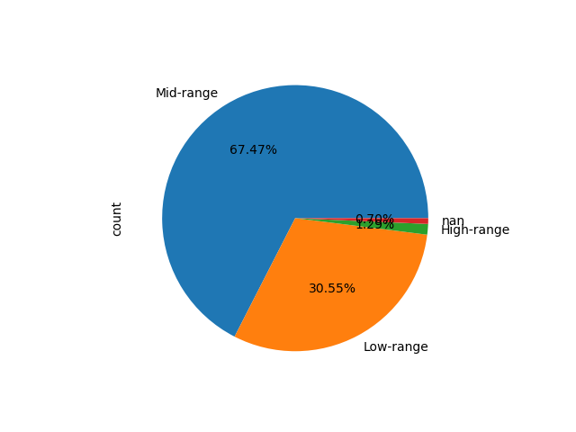


Recommendation: Products in three ranges: low-range is under $5; mid-range is between $5 and $15; and high-range isover $15. The midrange products that account for more than 65% of sales should remain the sales team's primary focus.

4. Are there certain types of products that are more popular than others? The marketing and sales teams want to know which departments have the highest frequency of product orders

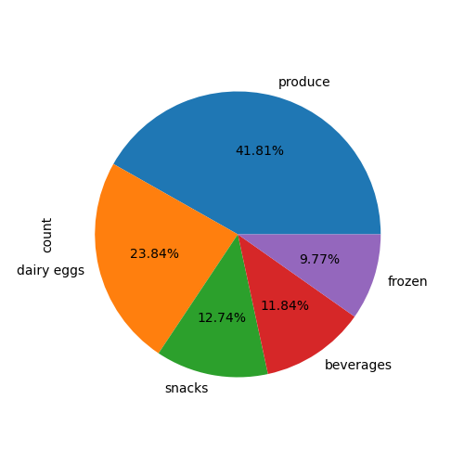

Recommendation: Departmens of produce, dairy, snacks, beverages, and frozen items are the top five departments that the marketing and sales team should give priority attention.

5. What’s the distribution among users in regards to their brand loyalty (i.e., how often do they return to Instacart)?

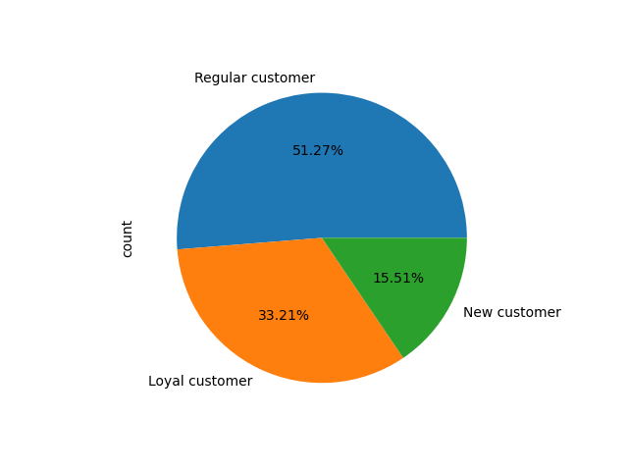
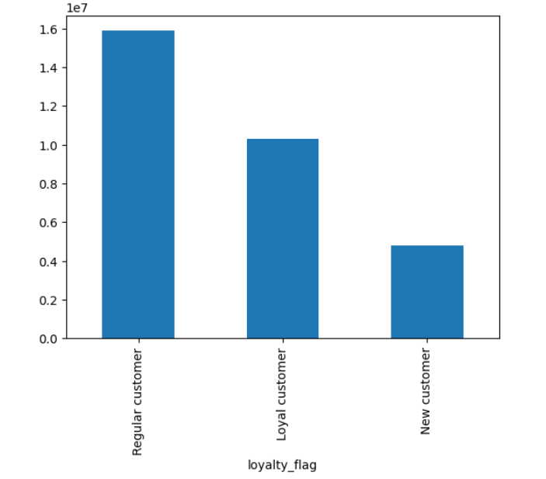

Recommendation: -Regular customers (return rate from 10 to 20 days) 51.27% -Loyal customers (return rate from 10 and less days) 33.21% -New customers 15.51%.

6. Are there differences in ordering habits based on a customer’s loyalty status?

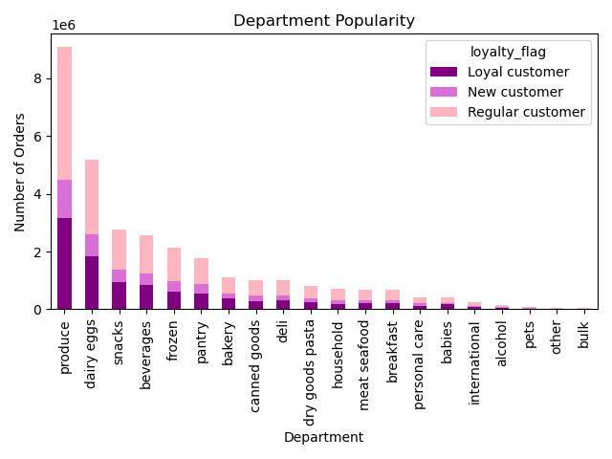

Recommendation: There is no noticeable distinction in the loyalty status of the customer ordering habits.

7. Are there differences in ordering habits based on a customer’s region?

Spending Habits by Region
 | High spender | Low spender
Midwest | 29265 | 7568060
Northeast | 18642 | 5704094
South | 40579 | 10751306
West | 31242 | 8261671
PRODUCE
Midwest | 2134115
Northeast | 1593004
South | 3027476
West | 2324678
DAIRY
Midwest | 1212490
Northeast | 914616
South | 1723016
West | 1327060
SNACKS
Midwest | 645143
Northeast | 493154
South | 916780
West | 711329

Recommendation: The percentage of high and low spenders in each reagion is almost the same. Comparing top three departments across regions shows a similar pattern of customer ordering habits in all reagions.

8. Is there a connection between age and family status in terms of ordering habits?

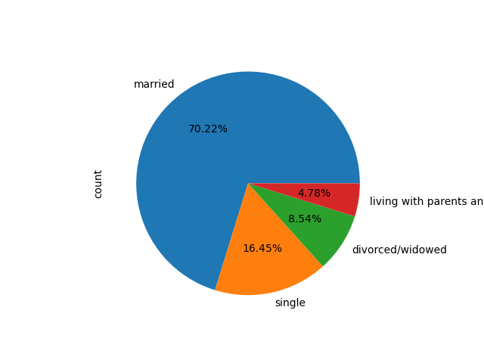
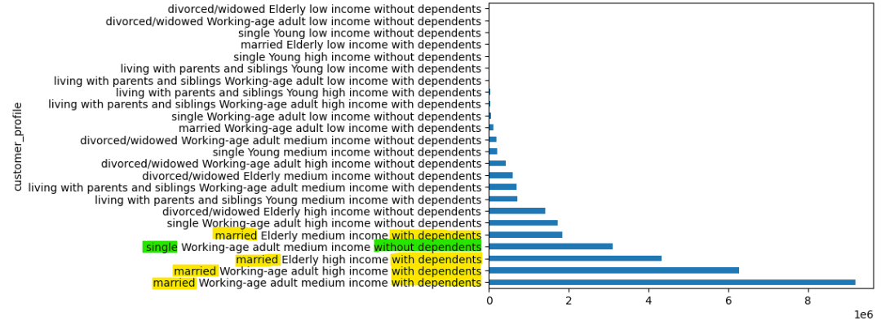

Recommendation: Over 70% of the customers are married, so they should be the group to focus on. The distribution of customer profiles, shows that four out of five top customer groups are married with dependents. Moreover, three out of the top five customers are middle age working adults.

9. What different classifications does the demographic information suggest? Age? Income? Certain types of goods? Family status?

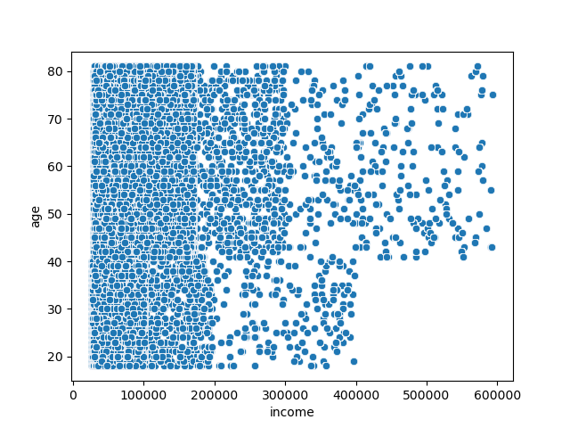


Recommendation: The scatterplot clearly shows that as people age, their income is likely to rise, as the distribution of high income over 400k belongs to people over 40 years of age. Ads targeting the high income earners should be designed for those over forty years of age to meet specific cutomer demand.

10. What differences can you find in ordering habits of different customer profiles? Consider the price of orders, the frequency of orders, the products customers are ordering, and anything else you can think of.

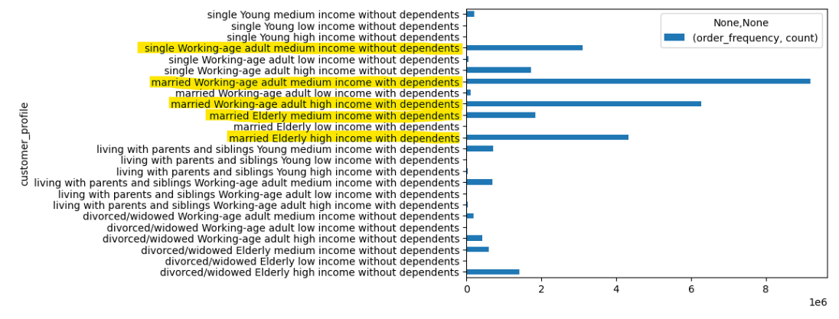
Customer Profile/Product Price Relationship
 | High-range | Low-range | Mid-range
divorced/widowed Elderly high income without dependents | 20414 | 414002 | 976591
divorced/widowed Elderly low income without dependents | 3 | 410 | 507
divorced/widowed Elderly medium income without dependents | 5966 | 203696 | 386972
divorced/widowed Working-age adult high income without dependents | 5732 | 124611 | 292962
divorced/widowed Working-age adult low income without dependents | 1 | 540 | 813
divorced/widowed Working-age adult medium income without dependents | 2018 | 65437 | 126910
living with parents and siblings Working-age adult high income with dependents | 469 | 7067 | 17205
living with parents and siblings Working-age adult low income with dependents | 50 | 4099 | 5973
living with parents and siblings Working-age adult medium income with dependents | 8234 | 212778 | 470434
living with parents and siblings Young high income with dependents | 360 | 6711 | 15457
living with parents and siblings Young low income with dependents | 19 | 4349 | 5377
living with parents and siblings Young medium income with dependents | 9865 | 216408 | 485922
married Elderly high income with dependents | 61229 | 1255981 | 2975731
married Elderly low income with dependents | 38 | 2969 | 4272
married Elderly medium income with dependents | 19265 | 625622 | 1185457
married Working-age adult high income with dependents | 90428 | 1824767 | 4311947
married Working-age adult low income with dependents | 413 | 48359 | 64813
married Working-age adult medium income with dependents | 110128 | 2884074 | 6126195
single Working-age adult high income without dependents | 23486 | 496813 | 1181847
single Working-age adult low income without dependents | 169 | 19475 | 26070
single Working-age adult medium income without dependents | 36730 | 971202 | 2079582
single Young high income without dependents | 184 | 2336 | 6749
single Young low income without dependents | 14 | 1451 | 1983
single Young medium income without dependents | 2738 | 65910 | 142002

Recommendation: The distribution of ordering habits stays consistent with rest of data. The most active customers remain the same. There is no noticable difference in ordering habits aside from those already mentioned above.

